RETIRECO
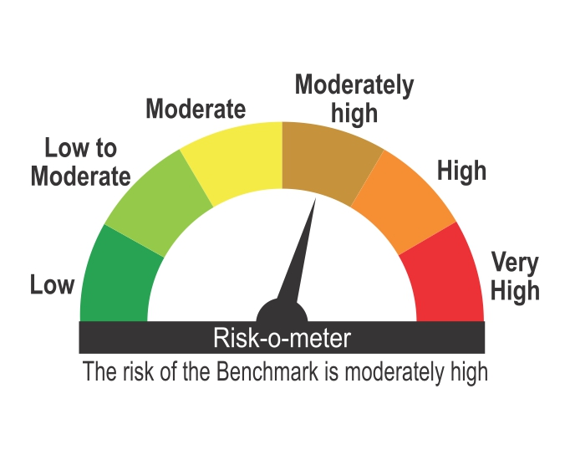
ICICI Prudential Mutual Fund
ICICI Prudential Retirement Fund - Hybrid Conservative Plan
Portfolio as on Jan 31,2025
Company/Issuer/Instrument Name | ISIN | Coupon | Industry/Rating | Quantity | Exposure/Market Value(Rs.Lakh) | % to Nav | Yield of the instrument | Yield to Call @
Equity & Equity Related Instruments |  |  |  |  | 2118.73 | 27.87%

Listed / Awaiting Listing On Stock Exchanges |  |  |  |  | 2118.73 | 27.87%
Tech Mahindra Ltd. | INE669C01036 |  | It - Software | 14665 | 245.56 | 3.23%
Ultratech Cement Ltd. | INE481G01011 |  | Cement & Cement Products | 1958 | 224.92 | 2.96%
Interglobe Aviation Ltd. | INE646L01027 |  | Transport Services | 4205 | 181.84 | 2.39%
Mahindra & Mahindra Ltd. | INE101A01026 |  | Automobiles | 5000 | 149.49 | 1.97%
National Aluminium Company Ltd. | INE139A01034 |  | Non - Ferrous Metals | 70000 | 141.57 | 1.86%
Bharti Hexacom Ltd. | INE343G01021 |  | Telecom - Services | 10000 | 135.49 | 1.78%
Sagar Cements Ltd. | INE229C01021 |  | Cement & Cement Products | 60925 | 126.01 | 1.66%
Muthoot Finance Ltd. | INE414G01012 |  | Finance | 5000 | 112.94 | 1.49%
JSW Steel Ltd. | INE019A01038 |  | Ferrous Metals | 11265 | 106.45 | 1.40%
Info Edge (India) Ltd. | INE663F01024 |  | Retailing | 1300 | 100.41 | 1.32%
Multi Commodity Exchange Of India Ltd. | INE745G01035 |  | Capital Markets | 1559 | 89.38 | 1.18%
Larsen & Toubro Ltd. | INE018A01030 |  | Construction | 2000 | 71.35 | 0.94%
Titan Company Ltd. | INE280A01028 |  | Consumer Durables | 1962 | 68.48 | 0.90%
Wipro Ltd. | INE075A01022 |  | It - Software | 20000 | 62.38 | 0.82%
Ambuja Cements Ltd. | INE079A01024 |  | Cement & Cement Products | 11000 | 56.41 | 0.74%
Bharat Forge Ltd. | INE465A01025 |  | Auto Components | 4538 | 55.55 | 0.73%
Hindalco Industries Ltd. | INE038A01020 |  | Non - Ferrous Metals | 8650 | 51.41 | 0.68%
Gland Pharma Ltd. | INE068V01023 |  | Pharmaceuticals & Biotechnology | 2227 | 33.96 | 0.45%
Britannia Industries Ltd. | INE216A01030 |  | Food Products | 647 | 33.19 | 0.44%
Jindal Stainless Ltd. | INE220G01021 |  | Ferrous Metals | 5000 | 32.67 | 0.43%
ICICI Prudential Life Insurance Company Ltd. | INE726G01019 |  | Insurance | 2504 | 15.42 | 0.20%
Rategain Travel Technologies Ltd. | INE0CLI01024 |  | It - Software | 1890 | 13.21 | 0.17%
Siemens Ltd. | INE003A01024 |  | Electrical Equipment | 116 | 7.05 | 0.09%
Zee Entertainment Enterprises Ltd. | INE256A01028 |  | Entertainment | 3400 | 3.59 | 0.05%

Unlisted |  |  |  |  | Nil | Nil

Debt Instruments |  |  |  |  | 5188.58 | 68.26%

Listed / Awaiting Listing On Stock Exchanges |  |  |  |  | 4734.55 | 62.29%

Government Securities |  |  |  |  | 2153.79 | 28.33%
Government Securities | IN0020230085 | 7.18 | SOV | 850000 | 873.24 | 11.49% | 6.87
Government Securities | IN0020210137 | 7.53 | SOV | 663030 | 667.86 | 8.79% | 7.47
Government Securities | IN0020240019 | 7.1 | SOV | 500000 | 512.03 | 6.74% | 6.86
Government Securities | IN0020240126 | 6.79 | SOV | 100000 | 100.66 | 1.32% | 6.81

Non-Convertible debentures / Bonds |  |  |  |  | 2338.73 | 30.77%
NABARD ** | INE261F08DQ4 | 7.25 | CRISIL AAA | 50 | 497.98 | 6.55% | 7.80
Summit Digitel Infrastructure Ltd ** | INE507T07062 | 6.59 | CRISIL AAA | 50 | 493.09 | 6.49% | 7.89
Nirma Ltd. ** | INE091A07208 | 8.5 | CRISIL AA | 350 | 352.88 | 4.64% | 8.04
Power Finance Corporation Ltd. | INE134E08HD5 | 8.39 | CRISIL AAA | 30 | 300.39 | 3.95% | 7.69
Godrej Industries Ltd. ** | INE233A08097 | 7.17 | CRISIL AA+ | 30 | 298.98 | 3.93% | 8.03
HDFC Bank Ltd. | INE040A08922 | 7.8 | CRISIL AAA | 200 | 199.64 | 2.63% | 7.95
Yes Bank Ltd. ** | INE528G08345 | 8 | ICRA A | 20 | 195.77 | 2.58% | 9.38

Zero Coupon Bonds / Deep Discount Bonds |  |  |  |  | 242.03 | 3.18%
Aditya Birla Finance Ltd. ** | INE860H07HW0 |  | ICRA AAA | 20 | 242.03 | 3.18% | 8.03

Privately Placed/unlisted |  |  |  |  | Nil | Nil

Securitized Debt Instruments |  |  |  |  | 454.03 | 5.97%
India Universal Trust AL1 ** | INE16J715035 |  | FITCH AAA(SO) | 2 | 196.97 | 2.59% | 8.32
India Universal Trust AL1 ** | INE16J715019 |  | FITCH AAA(SO) | 2 | 161.41 | 2.12% | 8.34
India Universal Trust AL1 ** | INE16J715027 |  | FITCH AAA(SO) | 1 | 95.65 | 1.26% | 8.34

Term Deposits |  |  |  |  | Nil | Nil

Deposits (maturity not exceeding 91 days) |  |  |  |  | Nil | Nil

Deposits (Placed as Margin) |  |  |  |  | Nil | Nil

Money Market Instruments |  |  |  |  | Nil | Nil

Certificate of Deposits |  |  |  |  | Nil | Nil

Commercial Papers |  |  |  |  | Nil | Nil

Treasury Bills |  |  |  |  | Nil | Nil

Units of an Alternative Investment Fund (AIF) |  |  |  |  | Nil | Nil

TREPS |  |  |  |  | 142.06 | 1.87%

Net Current Assets |  |  |  |  | 151.94 | 2.00%
Total Net Assets |  |  |  |  | 7601.31 | 100.00%

Non-Convertible debentures / Bonds & Zero Coupon Bonds / Deep Discount Bonds / Certificate of Deposits / Commercial Papers are considered as Traded based on the information provided by external agencies.
** Non Traded / Illiquid Securities.
For the Instrument/security whose final ISIN is yet to be assigned, disclosure of ISIN has been made as per the details provided by external agencies.
Debt instruments having structured obligations or credit enhancement features have been denoted with suffix as (SO) or (CE) respectively against the ratings of the instrument.
@ As per AMFI Best Practices Guidelines Circular No. 91/ 2020 - 21 dated March 24, 2021 on Valuation of AT-1 Bonds and Tier 2 Bonds, Yield to call is disclosed for AT-1 Bonds and Tier 2 Bonds issued by Banks as provided by Valuation agencies.
For Instances of Deviation In valuation Of Securities as per SEBI master circular ref no SEBI/HO/IMD/IMD-PoD-1/P/CIR/2023/74 dated May 19, 2023.Refer link: https://www.icicipruamc.com/statutory-disclosures/deviation-in-valuation-of-securities
As per AMFI Best Practices Guidelines Circular No. AMFI/ 35P/ MEM-COR/ 72 / 2022-23 dated December 31, 2022 on Standard format for disclosure Portfolio YTM for Debt Schemes, Yield of the instrument is disclosed on annualized basis as provided by Valuation agencies.
“This scheme has exposure to floating rate instruments and / or interest rate derivatives. The duration of these instruments is linked to the interest rate reset period. The interest rate risk in a floating rate instrument or in a fixed rate instrument hedged with derivatives is likely to be lesser than that in an equivalent maturity fixed rate instrument. Under some market circumstances the volatility may be of an order greater than what may ordinarily be expected considering only its duration. Hence investors are recommended to consider the unadjusted portfolio maturity of the scheme as well and exercise adequate due diligence when deciding to make their investments”.

Scheme Riskometer

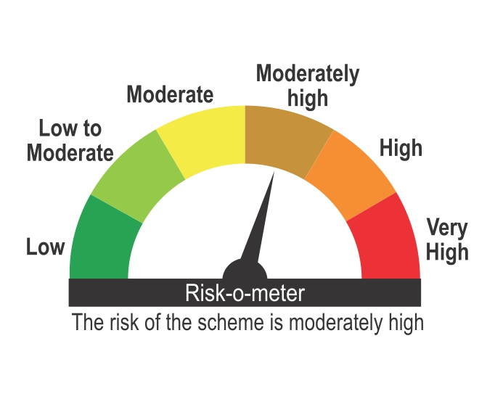

Benchmark Riskometer
Benchmark name - Nifty 50 Hybrid Composite Debt 15:85 Conservative Index

